Stocka
 |  |  |  |  |  |  |  |  |  |  | Size Range |  |  |  |  |  |  |  |  |  |  |  |  |  |  |  |  | 25020
Photo | Gender | Full code | Model Code | Description | Material Code | Material Description | Color Code | Color Description | Assortment | Full Code + Assortment | 35 | 36 | 37 | 38 | 39 | 40 | 41 | 42 | 43 | 44 | 45 | 46 | TOT | TOT BOX | Retail Price | WHS PRICE | Total Retail | Total pairs
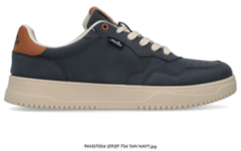 | MEN | PANSIT004-LEPLEP-704 | PANSIT004 | BERYL | LEPLEP | PU LEATHER | 704 | TAN NAVY | M12A | PANSIT004-LEPLEP-704 M12A |  |  |  |  |  | 1 | 2 | 3 | 3 | 2 | 1 |  | 12 | 25 | 69.90 € | 21.90 € | 20,970.00 € | 300
 | MEN | PANSIT004-LEPLEP-704 | PANSIT004 | BERYL | LEPLEP | PU LEATHER | 704 | TAN NAVY | M12I | PANSIT004-LEPLEP-704 M12I |  |  |  |  |  |  | 1 | 2 | 3 | 3 | 2 | 1 | 12 | 17 | 69.90 € | 21.90 € | 14,259.60 € | 204
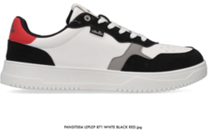 | MEN | PANSIT004-LEPLEP-871 | PANSIT004 | BERYL | LEPLEP | PU LEATHER | 871 | WHITE BLACK RED | M12A | PANSIT004-LEPLEP-871 M12A |  |  |  |  |  | 1 | 2 | 3 | 3 | 2 | 1 |  | 12 | 25 | 69.90 € | 21.90 € | 20,970.00 € | 300
 | MEN | PANSIT004-LEPLEP-871 | PANSIT004 | BERYL | LEPLEP | PU LEATHER | 871 | WHITE BLACK RED | M12I | PANSIT004-LEPLEP-871 M12I |  |  |  |  |  |  | 1 | 2 | 3 | 3 | 2 | 1 | 12 | 17 | 69.90 € | 21.90 € | 14,259.60 € | 204
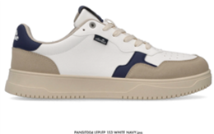 | MEN | PANSIT004-LEPLEP-153 | PANSIT004 | BERYL | LEPLEP | PU LEATHER | 153 | WHITE NAVY | M12A | PANSIT004-LEPLEP-153 M12A |  |  |  |  |  | 1 | 2 | 3 | 3 | 2 | 1 |  | 12 | 25 | 69.90 € | 21.90 € | 20,970.00 € | 300
 | MEN | PANSIT004-LEPLEP-153 | PANSIT004 | BERYL | LEPLEP | PU LEATHER | 153 | WHITE NAVY | M12I | PANSIT004-LEPLEP-153 M12I |  |  |  |  |  |  | 1 | 2 | 3 | 3 | 2 | 1 | 12 | 17 | 69.90 € | 21.90 € | 14,259.60 € | 204
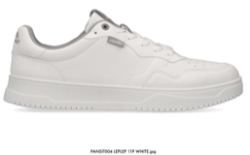 | MEN | PANSIT004-LEPLEP-119 | PANSIT004 | BERYL | LEPLEP | PU LEATHER | 119 | WHITE | M12A | PANSIT004-LEPLEP-119 M12A |  |  |  |  |  | 1 | 2 | 3 | 3 | 2 | 1 |  | 12 | 25 | 69.90 € | 21.90 € | 20,970.00 € | 300
 | MEN | PANSIT004-LEPLEP-119 | PANSIT004 | BERYL | LEPLEP | PU LEATHER | 119 | WHITE | M12I | PANSIT004-LEPLEP-119 M12I |  |  |  |  |  |  | 1 | 2 | 3 | 3 | 2 | 1 | 12 | 17 | 69.90 € | 21.90 € | 14,259.60 € | 204
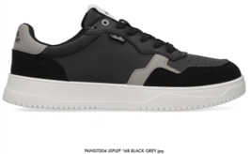 | MEN | PANSIT004-LEPLEP-168 | PANSIT004 | BERYL | LEPLEP | PU LEATHER | 168 | BLACK GREY | M12A | PANSIT004-LEPLEP-168 M12A |  |  |  |  |  | 1 | 2 | 3 | 3 | 2 | 1 |  | 12 | 20 | 69.90 € | 21.90 € | 16,776.00 € | 240
 | MEN | PANSIT004-LEPLEP-168 | PANSIT004 | BERYL | LEPLEP | PU LEATHER | 168 | BLACK GREY | M12I | PANSIT004-LEPLEP-168 M12I |  |  |  |  |  |  | 1 | 2 | 3 | 3 | 2 | 1 | 12 | 14 | 69.90 € | 21.90 € | 11,743.20 € | 168
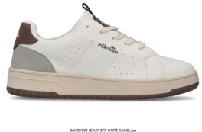 | MEN | SANDY002-LEPLEP-877 | SANDY002 | DEAN | LEPLEP | PU LEATHER | 877 | WHITE CAMEL | M12A | SANDY002-LEPLEP-877 M12A |  |  |  |  |  | 1 | 2 | 3 | 3 | 2 | 1 |  | 12 | 19 | 59.90 € | 21.90 € | 13,657.20 € | 228
 | MEN | SANDY002-LEPLEP-877 | SANDY002 | DEAN | LEPLEP | PU LEATHER | 877 | WHITE CAMEL | M12I | SANDY002-LEPLEP-877 M12I |  |  |  |  |  |  | 1 | 2 | 3 | 3 | 2 | 1 | 12 | 13 | 59.90 € | 21.90 € | 9,344.40 € | 156
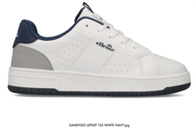 | MEN | SANDY002-LEPLEP-153 | SANDY002 | DEAN | LEPLEP | PU LEATHER | 153 | WHITE NAVY | M12A | SANDY002-LEPLEP-153 M12A |  |  |  |  |  | 1 | 2 | 3 | 3 | 2 | 1 |  | 12 | 15 | 59.90 € | 21.90 € | 10,782.00 € | 180
 | MEN | SANDY002-LEPLEP-153 | SANDY002 | DEAN | LEPLEP | PU LEATHER | 153 | WHITE NAVY | M12I | SANDY002-LEPLEP-153 M12I |  |  |  |  |  |  | 1 | 2 | 3 | 3 | 2 | 1 | 12 | 10 | 59.90 € | 21.90 € | 7,188.00 € | 120
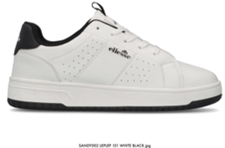 | MEN | SANDY002-LEPLEP-151 | SANDY002 | DEAN | LEPLEP | PU LEATHER | 151 | WHITE BLACK | M12A | SANDY002-LEPLEP-151 M12A |  |  |  |  |  | 1 | 2 | 3 | 3 | 2 | 1 |  | 12 | 15 | 59.90 € | 21.90 € | 10,782.00 € | 180
 | MEN | SANDY002-LEPLEP-151 | SANDY002 | DEAN | LEPLEP | PU LEATHER | 151 | WHITE BLACK | M12I | SANDY002-LEPLEP-151 M12I |  |  |  |  |  |  | 1 | 2 | 3 | 3 | 2 | 1 | 12 | 10 | 59.90 € | 21.90 € | 7,188.00 € | 120
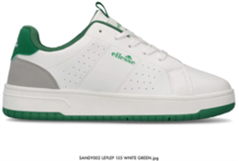 | MEN | SANDY002-LEPLEP-155 | SANDY002 | DEAN | LEPLEP | PU LEATHER | 155 | WHITE GREEN | M12A | SANDY002-LEPLEP-155 M12A |  |  |  |  |  | 1 | 2 | 3 | 3 | 2 | 1 |  | 12 | 15 | 59.90 € | 21.90 € | 10,782.00 € | 180
 | MEN | SANDY002-LEPLEP-155 | SANDY002 | DEAN | LEPLEP | PU LEATHER | 155 | WHITE GREEN | M12I | SANDY002-LEPLEP-155 M12I |  |  |  |  |  |  | 1 | 2 | 3 | 3 | 2 | 1 | 12 | 10 | 59.90 € | 21.90 € | 7,188.00 € | 120
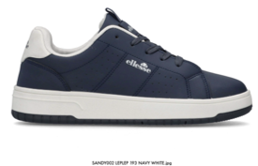 | MEN | SANDY002-LEPLEP-193 | SANDY002 | DEAN | LEPLEP | PU LEATHER | 193 | NAVY WHITE | M12A | SANDY002-LEPLEP-193 M12A |  |  |  |  |  | 1 | 2 | 3 | 3 | 2 | 1 |  | 12 | 15 | 59.90 € | 21.90 € | 10,782.00 € | 180
 | MEN | SANDY002-LEPLEP-193 | SANDY002 | DEAN | LEPLEP | PU LEATHER | 193 | NAVY WHITE | M12I | SANDY002-LEPLEP-193 M12I |  |  |  |  |  |  | 1 | 2 | 3 | 3 | 2 | 1 | 12 | 10 | 59.90 € | 21.90 € | 7,188.00 € | 120
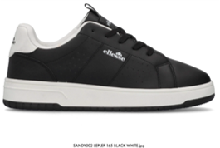 | MEN | SANDY002-LEPLEP-165 | SANDY002 | DEAN | LEPLEP | PU LEATHER | 165 | BLACK WHITE | M12A | SANDY002-LEPLEP-165 M12A |  |  |  |  |  | 1 | 2 | 3 | 3 | 2 | 1 |  | 12 | 15 | 59.90 € | 21.90 € | 10,782.00 € | 180
 | MEN | SANDY002-LEPLEP-165 | SANDY002 | DEAN | LEPLEP | PU LEATHER | 165 | BLACK WHITE | M12I | SANDY002-LEPLEP-165 M12I |  |  |  |  |  |  | 1 | 2 | 3 | 3 | 2 | 1 | 12 | 10 | 59.90 € | 21.90 € | 7,188.00 € | 120
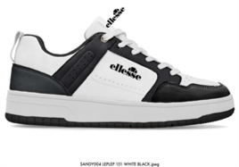 | MEN | SANDY004-LEPLEP-151 | SANDY004 | WILMA | LEPLEP | PU LEATHER | 151 | WHITE BLACK | M12A | SANDY004-LEPLEP-151 M12A |  |  |  |  |  | 1 | 2 | 3 | 3 | 2 | 1 |  | 12 | 20 | 69.90 € | 21.90 € | 16,776.00 € | 240
 | MEN | SANDY004-LEPLEP-151 | SANDY004 | WILMA | LEPLEP | PU LEATHER | 151 | WHITE BLACK | M12I | SANDY004-LEPLEP-151 M12I |  |  |  |  |  |  | 1 | 2 | 3 | 3 | 2 | 1 | 12 | 14 | 69.90 € | 21.90 € | 11,743.20 € | 168
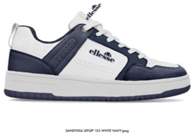 | MEN | SANDY004-LEPLEP-153 | SANDY004 | WILMA | LEPLEP | PU LEATHER | 153 | WHITE NAVY | M12A | SANDY004-LEPLEP-153 M12A |  |  |  |  |  | 1 | 2 | 3 | 3 | 2 | 1 |  | 12 | 20 | 69.90 € | 21.90 € | 16,776.00 € | 240
 | MEN | SANDY004-LEPLEP-153 | SANDY004 | WILMA | LEPLEP | PU LEATHER | 153 | WHITE NAVY | M12I | SANDY004-LEPLEP-153 M12I |  |  |  |  |  |  | 1 | 2 | 3 | 3 | 2 | 1 | 12 | 14 | 69.90 € | 21.90 € | 11,743.20 € | 168
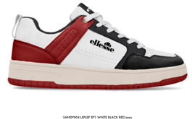 | MEN | SANDY004-LEPLEP-871 | SANDY004 | WILMA | LEPLEP | PU LEATHER | 871 | WHITE BLACK RED | M12A | SANDY004-LEPLEP-871 M12A |  |  |  |  |  | 1 | 2 | 3 | 3 | 2 | 1 |  | 12 | 20 | 69.90 € | 21.90 € | 16,776.00 € | 240
 | MEN | SANDY004-LEPLEP-871 | SANDY004 | WILMA | LEPLEP | PU LEATHER | 871 | WHITE BLACK RED | M12I | SANDY004-LEPLEP-871 M12I |  |  |  |  |  |  | 1 | 2 | 3 | 3 | 2 | 1 | 12 | 14 | 69.90 € | 21.90 € | 11,743.20 € | 168
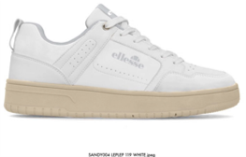 | MEN | SANDY004-LEPLEP-119 | SANDY004 | WILMA | LEPLEP | PU LEATHER | 119 | WHITE | M12A | SANDY004-LEPLEP-119 M12A |  |  |  |  |  | 1 | 2 | 3 | 3 | 2 | 1 |  | 12 | 20 | 69.90 € | 21.90 € | 16,776.00 € | 240
 | MEN | SANDY004-LEPLEP-119 | SANDY004 | WILMA | LEPLEP | PU LEATHER | 119 | WHITE | M12I | SANDY004-LEPLEP-119 M12I |  |  |  |  |  |  | 1 | 2 | 3 | 3 | 2 | 1 | 12 | 14 | 69.90 € | 21.90 € | 11,743.20 € | 168
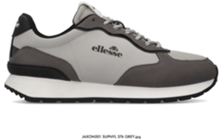 | MEN | JAXON001-SUPNYL-376 | JAXON001 | TOBY | SUPNYL | PU SUEDE + NYLON | 376 | GREY | M12A | JAXON001-SUPNYL-376 M12A |  |  |  |  |  | 1 | 2 | 3 | 3 | 2 | 1 |  | 12 | 15 | 59.90 € | 21.90 € | 10,782.00 € | 180
 | MEN | JAXON001-SUPNYL-376 | JAXON001 | TOBY | SUPNYL | PU SUEDE + NYLON | 376 | GREY | M12I | JAXON001-SUPNYL-376 M12I |  |  |  |  |  |  | 1 | 2 | 3 | 3 | 2 | 1 | 12 | 10 | 59.90 € | 21.90 € | 7,188.00 € | 120
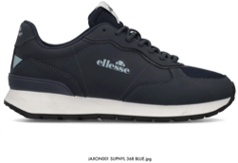 | MEN | JAXON001-SUPNYL-368 | JAXON001 | TOBY | SUPNYL | PU SUEDE + NYLON | 368 | BLUE | M12A | JAXON001-SUPNYL-368 M12A |  |  |  |  |  | 1 | 2 | 3 | 3 | 2 | 1 |  | 12 | 15 | 59.90 € | 21.90 € | 10,782.00 € | 180
 | MEN | JAXON001-SUPNYL-368 | JAXON001 | TOBY | SUPNYL | PU SUEDE + NYLON | 368 | BLUE | M12I | JAXON001-SUPNYL-368 M12I |  |  |  |  |  |  | 1 | 2 | 3 | 3 | 2 | 1 | 12 | 10 | 59.90 € | 21.90 € | 7,188.00 € | 120
 | MEN | JAXON001-SUPNYL-387 | JAXON001 | TOBY | SUPNYL | PU SUEDE + NYLON | 387 | BEIGE | M12A | JAXON001-SUPNYL-387 M12A |  |  |  |  |  | 1 | 2 | 3 | 3 | 2 | 1 |  | 12 | 15 | 59.90 € | 21.90 € | 10,782.00 € | 180
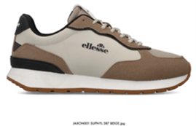 | MEN | JAXON001-SUPNYL-387 | JAXON001 | TOBY | SUPNYL | PU SUEDE + NYLON | 387 | BEIGE | M12I | JAXON001-SUPNYL-387 M12I |  |  |  |  |  |  | 1 | 2 | 3 | 3 | 2 | 1 | 12 | 10 | 59.90 € | 21.90 € | 7,188.00 € | 120
 | MEN | JAXON001-SUPNYL-001 | JAXON001 | TOBY | SUPNYL | PU SUEDE + NYLON | 001 | BLACK | M12A | JAXON001-SUPNYL-001 M12A |  |  |  |  |  | 1 | 2 | 3 | 3 | 2 | 1 |  | 12 | 15 | 59.90 € | 21.90 € | 10,782.00 € | 180
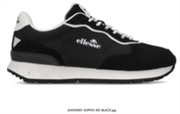 | MEN | JAXON001-SUPNYL-001 | JAXON001 | TOBY | SUPNYL | PU SUEDE + NYLON | 001 | BLACK | M12I | JAXON001-SUPNYL-001 M12I |  |  |  |  |  |  | 1 | 2 | 3 | 3 | 2 | 1 | 12 | 10 | 59.90 € | 21.90 € | 7,188.00 € | 120
 | MEN | JAXON001-SUPNYL-098 | JAXON001 | TOBY | SUPNYL | PU SUEDE + NYLON | 098 | SKY | M12A | JAXON001-SUPNYL-098 M12A |  |  |  |  |  | 1 | 2 | 3 | 3 | 2 | 1 |  | 12 | 6 | 59.90 € | 21.90 € | 4,312.80 € | 72
 | MEN | JAXON001-SUPNYL-098 | JAXON001 | TOBY | SUPNYL | PU SUEDE + NYLON | 098 | SKY | M12B | JAXON001-SUPNYL-098 M12B |  |  |  |  | 1 | 2 | 3 | 3 | 2 | 1 |  |  | 12 | 4 | 59.90 € | 21.90 € | 2,875.20 € | 48
 | MEN | JAXON001-SUPNYL-211 | JAXON001 | TOBY | SUPNYL | PU SUEDE + NYLON | 211 | GREY GREEN | M12A | JAXON001-SUPNYL-211 M12A |  |  |  |  |  | 1 | 2 | 3 | 3 | 2 | 1 |  | 12 | 19 | 59.90 € | 21.90 € | 13,657.20 € | 228
 | MEN | JAXON001-SUPNYL-211 | JAXON001 | TOBY | SUPNYL | PU SUEDE + NYLON | 211 | GREY GREEN | M12B | JAXON001-SUPNYL-211 M12B |  |  |  |  | 1 | 2 | 3 | 3 | 2 | 1 |  |  | 12 | 13 | 59.90 € | 21.90 € | 9,344.40 € | 156
 | MEN | JAXON001-SUPNYL-394 | JAXON001 | TOBY | SUPNYL | PU SUEDE + NYLON | 394 | TOTAL BLACK | M12A | JAXON001-SUPNYL-394 M12A |  |  |  |  |  | 1 | 2 | 3 | 3 | 2 | 1 |  | 12 | 25 | 59.90 € | 21.90 € | 17,970.00 € | 300
 | MEN | JAXON001-SUPNYL-394 | JAXON001 | TOBY | SUPNYL | PU SUEDE + NYLON | 394 | TOTAL BLACK | M12B | JAXON001-SUPNYL-394 M12B |  |  |  |  | 1 | 2 | 3 | 3 | 2 | 1 |  |  | 12 | 13 | 59.90 € | 21.90 € | 9,344.40 € | 156
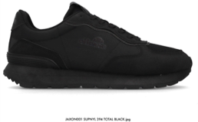 | MEN | JAXON001-SUPNYL-394 | JAXON001 | TOBY | SUPNYL | PU SUEDE + NYLON | 394 | TOTAL BLACK | M12I | JAXON001-SUPNYL-394 M12I |  |  |  |  |  |  | 1 | 2 | 3 | 3 | 2 | 1 | 12 | 4 | 59.90 € | 21.90 € | 2,875.20 € | 48
 | MEN | JAXON002-SUPNYL-394 | JAXON002 | ELIJAH | SUPNYL | PU SUEDE + NYLON | 394 | TOTAL BLACK | M12A | JAXON002-SUPNYL-394 M12A |  |  |  |  |  | 1 | 2 | 3 | 3 | 2 | 1 |  | 12 | 19 | 59.90 € | 21.90 € | 13,657.20 € | 228
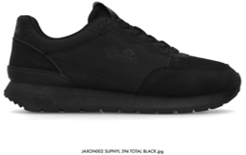 | MEN | JAXON002-SUPNYL-394 | JAXON002 | ELIJAH | SUPNYL | PU SUEDE + NYLON | 394 | TOTAL BLACK | M12B | JAXON002-SUPNYL-394 M12B |  |  |  |  | 1 | 2 | 3 | 3 | 2 | 1 |  |  | 12 | 13 | 59.90 € | 21.90 € | 9,344.40 € | 156
 | MEN | JAXON002-SUPNYL-823 | JAXON002 | ELIJAH | SUPNYL | PU SUEDE + NYLON | 823 | GREY BLACK | M12A | JAXON002-SUPNYL-823 M12A |  |  |  |  |  | 1 | 2 | 3 | 3 | 2 | 1 |  | 12 | 19 | 59.90 € | 21.90 € | 13,657.20 € | 228
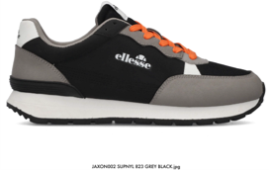 | MEN | JAXON002-SUPNYL-823 | JAXON002 | ELIJAH | SUPNYL | PU SUEDE + NYLON | 823 | GREY BLACK | M12I | JAXON002-SUPNYL-823 M12I |  |  |  |  |  |  | 1 | 2 | 3 | 3 | 2 | 1 | 12 | 13 | 59.90 € | 21.90 € | 9,344.40 € | 156
 | MEN | JAXON002-LEPNYL-152 | JAXON002 | ELIJAH | LEPNYL | PU LEATHER + NYLON | 152 | WHITE BLUE | M12A | JAXON002-LEPNYL-152 M12A |  |  |  |  |  | 1 | 2 | 3 | 3 | 2 | 1 |  | 12 | 19 | 59.90 € | 21.90 € | 13,657.20 € | 228
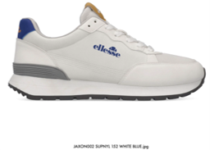 | MEN | JAXON002-LEPNYL-152 | JAXON002 | ELIJAH | LEPNYL | PU LEATHER + NYLON | 152 | WHITE BLUE | M12I | JAXON002-LEPNYL-152 M12I |  |  |  |  |  |  | 1 | 2 | 3 | 3 | 2 | 1 | 12 | 13 | 59.90 € | 21.90 € | 9,344.40 € | 156
 | MEN | JAXON002-SUPNYL-368 | JAXON002 | ELIJAH | SUPNYL | PU SUEDE + NYLON | 368 | BLUE | M12A | JAXON002-SUPNYL-368 M12A |  |  |  |  |  | 1 | 2 | 3 | 3 | 2 | 1 |  | 12 | 19 | 59.90 € | 21.90 € | 13,657.20 € | 228
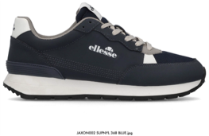 | MEN | JAXON002-SUPNYL-368 | JAXON002 | ELIJAH | SUPNYL | PU SUEDE + NYLON | 368 | BLUE | M12I | JAXON002-SUPNYL-368 M12I |  |  |  |  |  |  | 1 | 2 | 3 | 3 | 2 | 1 | 12 | 13 | 59.90 € | 21.90 € | 9,344.40 € | 156
 | MEN | FRANCIS004-LEPNYL-168 | FRANCIS004 | IAN | LEPNYL | PU LEATHER + NYLON | 168 | BLACK GREY | M12A | FRANCIS004-LEPNYL-168 M12A |  |  |  |  |  | 1 | 2 | 3 | 3 | 2 | 1 |  | 12 | 15 | 59.90 € | 21.90 € | 10,782.00 € | 180
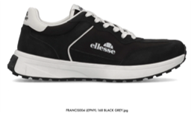 | MEN | FRANCIS004-LEPNYL-168 | FRANCIS004 | IAN | LEPNYL | PU LEATHER + NYLON | 168 | BLACK GREY | M12I | FRANCIS004-LEPNYL-168 M12I |  |  |  |  |  |  | 1 | 2 | 3 | 3 | 2 | 1 | 12 | 10 | 59.90 € | 21.90 € | 7,188.00 € | 120
 | MEN | FRANCIS004-LEPNYL-137 | FRANCIS004 | IAN | LEPNYL | PU LEATHER + NYLON | 137 | OFF WHITE | M12A | FRANCIS004-LEPNYL-137 M12A |  |  |  |  |  | 1 | 2 | 3 | 3 | 2 | 1 |  | 12 | 15 | 59.90 € | 21.90 € | 10,782.00 € | 180
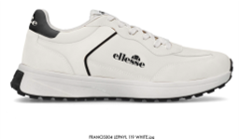 | MEN | FRANCIS004-LEPNYL-137 | FRANCIS004 | IAN | LEPNYL | PU LEATHER + NYLON | 137 | OFF WHITE | M12I | FRANCIS004-LEPNYL-137 M12I |  |  |  |  |  |  | 1 | 2 | 3 | 3 | 2 | 1 | 12 | 10 | 59.90 € | 21.90 € | 7,188.00 € | 120
 | MEN | FRANCIS004-LEPNYL-500 | FRANCIS004 | IAN | LEPNYL | PU LEATHER + NYLON | 500 | NAVY | M12A | FRANCIS004-LEPNYL-500 M12A |  |  |  |  |  | 1 | 2 | 3 | 3 | 2 | 1 |  | 12 | 15 | 59.90 € | 21.90 € | 10,782.00 € | 180
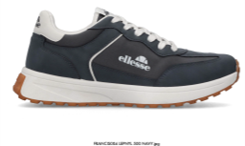 | MEN | FRANCIS004-LEPNYL-500 | FRANCIS004 | IAN | LEPNYL | PU LEATHER + NYLON | 500 | NAVY | M12I | FRANCIS004-LEPNYL-500 M12I |  |  |  |  |  |  | 1 | 2 | 3 | 3 | 2 | 1 | 12 | 10 | 59.90 € | 21.90 € | 7,188.00 € | 120
 | MEN | FRANCIS004-LEPNYL-387 | FRANCIS004 | IAN | LEPNYL | PU LEATHER + NYLON | 387 | BEIGE | M12A | FRANCIS004-LEPNYL-387 M12A |  |  |  |  |  | 1 | 2 | 3 | 3 | 2 | 1 |  | 12 | 15 | 59.90 € | 21.90 € | 10,782.00 € | 180
 | MEN | FRANCIS004-LEPNYL-387 | FRANCIS004 | IAN | LEPNYL | PU LEATHER + NYLON | 387 | BEIGE | M12I | FRANCIS004-LEPNYL-387 M12I |  |  |  |  |  |  | 1 | 2 | 3 | 3 | 2 | 1 | 12 | 10 | 59.90 € | 21.90 € | 7,188.00 € | 120
 | MEN | FRANCIS004-LEPNYL-451 | FRANCIS004 | IAN | LEPNYL | PU LEATHER + NYLON | 451 | GREY | M12A | FRANCIS004-LEPNYL-451 M12A |  |  |  |  |  | 1 | 2 | 3 | 3 | 2 | 1 |  | 12 | 15 | 59.90 € | 21.90 € | 10,782.00 € | 180
 | MEN | FRANCIS004-LEPNYL-451 | FRANCIS004 | IAN | LEPNYL | PU LEATHER + NYLON | 451 | GREY | M12I | FRANCIS004-LEPNYL-451 M12I |  |  |  |  |  |  | 1 | 2 | 3 | 3 | 2 | 1 | 12 | 10 | 59.90 € | 21.90 € | 7,188.00 € | 120
 | MEN | NARGIS001-LEPMES-387 | NARGIS001 | OTIS | LEPMES | PU LEATHER + MESH | 387 | BEIGE | M12A | NARGIS001-LEPMES-387 M12A |  |  |  |  |  | 1 | 2 | 3 | 3 | 2 | 1 |  | 12 | 25 | 69.90 € | 21.90 € | 20,970.00 € | 300
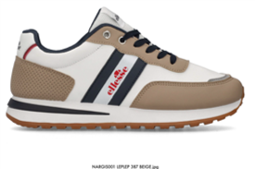 | MEN | NARGIS001-LEPMES-387 | NARGIS001 | OTIS | LEPMES | PU LEATHER + MESH | 387 | BEIGE | M12I | NARGIS001-LEPMES-387 M12I |  |  |  |  |  |  | 1 | 2 | 3 | 3 | 2 | 1 | 12 | 17 | 69.90 € | 21.90 € | 14,259.60 € | 204
 | MEN | NARGIS001-LEPMES-165 | NARGIS001 | OTIS | LEPMES | PU LEATHER + MESH | 165 | BLACK WHITE | M12A | NARGIS001-LEPMES-165 M12A |  |  |  |  |  | 1 | 2 | 3 | 3 | 2 | 1 |  | 12 | 44 | 69.90 € | 21.90 € | 36,907.20 € | 528
 | MEN | NARGIS001-LEPMES-165 | NARGIS001 | OTIS | LEPMES | PU LEATHER + MESH | 165 | BLACK WHITE | M12B | NARGIS001-LEPMES-165 M12B |  |  |  |  | 1 | 2 | 3 | 3 | 2 | 1 |  |  | 12 | 13 | 69.90 € | 21.90 € | 10,904.40 € | 156
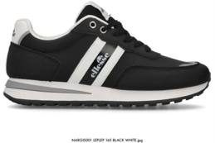 | MEN | NARGIS001-LEPMES-165 | NARGIS001 | OTIS | LEPMES | PU LEATHER + MESH | 165 | BLACK WHITE | M12I | NARGIS001-LEPMES-165 M12I |  |  |  |  |  |  | 1 | 2 | 3 | 3 | 2 | 1 | 12 | 17 | 69.90 € | 21.90 € | 14,259.60 € | 204
 | MEN | NARGIS001-LEPMES-500 | NARGIS001 | OTIS | LEPMES | PU LEATHER + MESH | 500 | NAVY | M12A | NARGIS001-LEPMES-500 M12A |  |  |  |  |  | 1 | 2 | 3 | 3 | 2 | 1 |  | 12 | 25 | 69.90 € | 21.90 € | 20,970.00 € | 300
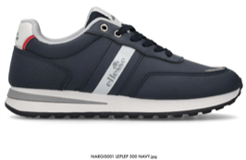 | MEN | NARGIS001-LEPMES-500 | NARGIS001 | OTIS | LEPMES | PU LEATHER + MESH | 500 | NAVY | M12I | NARGIS001-LEPMES-500 M12I |  |  |  |  |  |  | 1 | 2 | 3 | 3 | 2 | 1 | 12 | 17 | 69.90 € | 21.90 € | 14,259.60 € | 204
 | MEN | NARGIS001-LEPMES-151 | NARGIS001 | OTIS | LEPMES | PU LEATHER + MESH | 151 | WHITE BLACK | M12A | NARGIS001-LEPMES-151 M12A |  |  |  |  |  | 1 | 2 | 3 | 3 | 2 | 1 |  | 12 | 25 | 69.90 € | 21.90 € | 20,970.00 € | 300
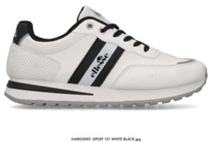 | MEN | NARGIS001-LEPMES-151 | NARGIS001 | OTIS | LEPMES | PU LEATHER + MESH | 151 | WHITE BLACK | M12I | NARGIS001-LEPMES-151 M12I |  |  |  |  |  |  | 1 | 2 | 3 | 3 | 2 | 1 | 12 | 17 | 69.90 € | 21.90 € | 14,259.60 € | 204
 | MEN | NARGIS001-LEPMES-394 | NARGIS001 | OTIS | LEPMES | PU LEATHER + MESH | 394 | TOTAL BLACK | M12A | NARGIS001-LEPMES-394 M12A |  |  |  |  |  | 1 | 2 | 3 | 3 | 2 | 1 |  | 12 | 13 | 69.90 € | 21.90 € | 10,904.40 € | 156
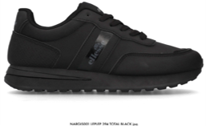 | MEN | NARGIS001-LEPMES-394 | NARGIS001 | OTIS | LEPMES | PU LEATHER + MESH | 394 | TOTAL BLACK | M12I | NARGIS001-LEPMES-394 M12I |  |  |  |  |  |  | 1 | 2 | 3 | 3 | 2 | 1 | 12 | 9 | 69.90 € | 21.90 € | 7,549.20 € | 108
 | MEN | DANTE001-SUPNYL-207 | DANTE001 | HARVEY | SUPNYL | PU SUEDE + NYLON | 207 | GREY WHITE | M12A | DANTE001-SUPNYL-207 M12A |  |  |  |  |  | 1 | 2 | 3 | 3 | 2 | 1 |  | 12 | 19 | 69.90 € | 21.90 € | 15,937.20 € | 228
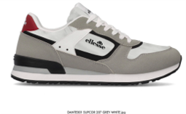 | MEN | DANTE001-SUPNYL-207 | DANTE001 | HARVEY | SUPNYL | PU SUEDE + NYLON | 207 | GREY WHITE | M12I | DANTE001-SUPNYL-207 M12I |  |  |  |  |  |  | 1 | 2 | 3 | 3 | 2 | 1 | 12 | 13 | 69.90 € | 21.90 € | 10,904.40 € | 156
 | MEN | DANTE001-SUPNYL-500 | DANTE001 | HARVEY | SUPNYL | PU SUEDE + NYLON | 500 | NAVY | M12A | DANTE001-SUPNYL-500 M12A |  |  |  |  |  | 1 | 2 | 3 | 3 | 2 | 1 |  | 12 | 19 | 69.90 € | 21.90 € | 15,937.20 € | 228
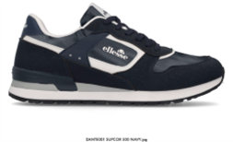 | MEN | DANTE001-SUPNYL-500 | DANTE001 | HARVEY | SUPNYL | PU SUEDE + NYLON | 500 | NAVY | M12I | DANTE001-SUPNYL-500 M12I |  |  |  |  |  |  | 1 | 2 | 3 | 3 | 2 | 1 | 12 | 13 | 69.90 € | 21.90 € | 10,904.40 € | 156
 | MEN | DANTE001-SUPNYL-165 | DANTE001 | HARVEY | SUPNYL | PU SUEDE + NYLON | 165 | BLACK WHITE | M12A | DANTE001-SUPNYL-165 M12A |  |  |  |  |  | 1 | 2 | 3 | 3 | 2 | 1 |  | 12 | 15 | 69.90 € | 21.90 € | 12,582.00 € | 180
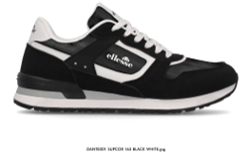 | MEN | DANTE001-SUPNYL-165 | DANTE001 | HARVEY | SUPNYL | PU SUEDE + NYLON | 165 | BLACK WHITE | M12I | DANTE001-SUPNYL-165 M12I |  |  |  |  |  |  | 1 | 2 | 3 | 3 | 2 | 1 | 12 | 10 | 69.90 € | 21.90 € | 8,388.00 € | 120
 | MEN | IRMA002-SUPMES-198 | IRMA002 | MITCH | SUPMES | PU SUEDE + MESH | 198 | NAVY RED | M12A | IRMA002-SUPMES-198 M12A |  |  |  |  |  | 1 | 2 | 3 | 3 | 2 | 1 |  | 12 | 25 | 69.90 € | 21.90 € | 20,970.00 € | 300
 | MEN | IRMA002-SUPMES-198 | IRMA002 | MITCH | SUPMES | PU SUEDE + MESH | 198 | NAVY RED | M12B | IRMA002-SUPMES-198 M12B |  |  |  |  | 1 | 2 | 3 | 3 | 2 | 1 |  |  | 12 | 17 | 69.90 € | 21.90 € | 14,259.60 € | 204
 | MEN | IRMA002-SUPMES-500 | IRMA002 | MITCH | SUPMES | PU SUEDE + MESH | 500 | NAVY | M12A | IRMA002-SUPMES-500 M12A |  |  |  |  |  | 1 | 2 | 3 | 3 | 2 | 1 |  | 12 | 31 | 69.90 € | 21.90 € | 26,002.80 € | 372
 | MEN | IRMA002-SUPMES-500 | IRMA002 | MITCH | SUPMES | PU SUEDE + MESH | 500 | NAVY | M12B | IRMA002-SUPMES-500 M12B |  |  |  |  | 1 | 2 | 3 | 3 | 2 | 1 |  |  | 12 | 8 | 69.90 € | 21.90 € | 6,710.40 € | 96
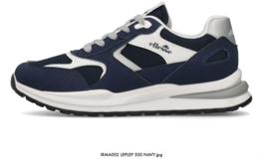 | MEN | IRMA002-SUPMES-500 | IRMA002 | MITCH | SUPMES | PU SUEDE + MESH | 500 | NAVY | M12I | IRMA002-SUPMES-500 M12I |  |  |  |  |  |  | 1 | 2 | 3 | 3 | 2 | 1 | 12 | 13 | 69.90 € | 21.90 € | 10,904.40 € | 156
 | MEN | IRMA002-SUPMES-207 | IRMA002 | MITCH | SUPMES | PU SUEDE + MESH | 207 | GREY WHITE | M12A | IRMA002-SUPMES-207 M12A |  |  |  |  |  | 1 | 2 | 3 | 3 | 2 | 1 |  | 12 | 25 | 69.90 € | 21.90 € | 20,970.00 € | 300
 | MEN | IRMA002-SUPMES-207 | IRMA002 | MITCH | SUPMES | PU SUEDE + MESH | 207 | GREY WHITE | M12I | IRMA002-SUPMES-207 M12I |  |  |  |  |  |  | 1 | 2 | 3 | 3 | 2 | 1 | 12 | 17 | 69.90 € | 21.90 € | 14,259.60 € | 204
 | MEN | IRMA002-SUPMES-013 | IRMA002 | MITCH | SUPMES | PU SUEDE + MESH | 013 | TAUPE | M12A | IRMA002-SUPMES-013 M12A |  |  |  |  |  | 1 | 2 | 3 | 3 | 2 | 1 |  | 12 | 19 | 69.90 € | 21.90 € | 15,937.20 € | 228
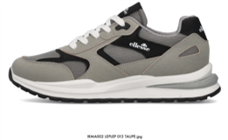 | MEN | IRMA002-SUPMES-013 | IRMA002 | MITCH | SUPMES | PU SUEDE + MESH | 013 | TAUPE | M12I | IRMA002-SUPMES-013 M12I |  |  |  |  |  |  | 1 | 2 | 3 | 3 | 2 | 1 | 12 | 13 | 69.90 € | 21.90 € | 10,904.40 € | 156
 | MEN | IRMA002-SUPMES-001 | IRMA002 | MITCH | SUPMES | PU SUEDE + MESH | 001 | BLACK | M12A | IRMA002-SUPMES-001 M12A |  |  |  |  |  | 1 | 2 | 3 | 3 | 2 | 1 |  | 12 | 13 | 69.90 € | 21.90 € | 10,904.40 € | 156
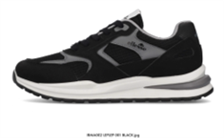 | MEN | IRMA002-SUPMES-001 | IRMA002 | MITCH | SUPMES | PU SUEDE + MESH | 001 | BLACK | M12I | IRMA002-SUPMES-001 M12I |  |  |  |  |  |  | 1 | 2 | 3 | 3 | 2 | 1 | 12 | 9 | 69.90 € | 21.90 € | 7,549.20 € | 108
 | MEN | IRMA002-SUPMES-175 | IRMA002 | MITCH | SUPMES | PU SUEDE + MESH | 175 | BLACK ORANGE | M12A | IRMA002-SUPMES-175 M12A |  |  |  |  |  | 1 | 2 | 3 | 3 | 2 | 1 |  | 12 | 25 | 69.90 € | 21.90 € | 20,970.00 € | 300
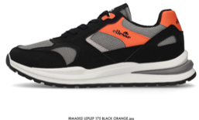 | MEN | IRMA002-SUPMES-175 | IRMA002 | MITCH | SUPMES | PU SUEDE + MESH | 175 | BLACK ORANGE | M12B | IRMA002-SUPMES-175 M12B |  |  |  |  | 1 | 2 | 3 | 3 | 2 | 1 |  |  | 12 | 17 | 69.90 € | 21.90 € | 14,259.60 € | 204
 | MEN | IRMA002-SUPMES-196 | IRMA002 | MITCH | SUPMES | PU SUEDE + MESH | 196 | NAVY GREY | M12A | IRMA002-SUPMES-196 M12A |  |  |  |  |  | 1 | 2 | 3 | 3 | 2 | 1 |  | 12 | 25 | 69.90 € | 21.90 € | 20,970.00 € | 300
 | MEN | IRMA002-SUPMES-196 | IRMA002 | MITCH | SUPMES | PU SUEDE + MESH | 196 | NAVY GREY | M12B | IRMA002-SUPMES-196 M12B |  |  |  |  | 1 | 2 | 3 | 3 | 2 | 1 |  |  | 12 | 8 | 69.90 € | 21.90 € | 6,710.40 € | 96
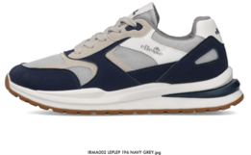 | MEN | IRMA002-SUPMES-196 | IRMA002 | MITCH | SUPMES | PU SUEDE + MESH | 196 | NAVY GREY | M12I | IRMA002-SUPMES-196 M12I |  |  |  |  |  |  | 1 | 2 | 3 | 3 | 2 | 1 | 12 | 9 | 69.90 € | 21.90 € | 7,549.20 € | 108
 | MEN | IRMA002-SUPMES-137 | IRMA002 | MITCH | SUPMES | PU SUEDE + MESH | 137 | OFF WHITE | M12A | IRMA002-SUPMES-137 M12A |  |  |  |  |  | 1 | 2 | 3 | 3 | 2 | 1 |  | 12 | 13 | 69.90 € | 21.90 € | 10,904.40 € | 156
 | MEN | IRMA002-SUPMES-137 | IRMA002 | MITCH | SUPMES | PU SUEDE + MESH | 137 | OFF WHITE | M12I | IRMA002-SUPMES-137 M12I |  |  |  |  |  |  | 1 | 2 | 3 | 3 | 2 | 1 | 12 | 9 | 69.90 € | 21.90 € | 7,549.20 € | 108
 | MEN | IRMA002-SUPMES-268 | IRMA002 | MITCH | SUPMES | PU SUEDE + MESH | 268 | BEIGE GREEN | M12A | IRMA002-SUPMES-268 M12A |  |  |  |  |  | 1 | 2 | 3 | 3 | 2 | 1 |  | 12 | 13 | 69.90 € | 21.90 € | 10,904.40 € | 156
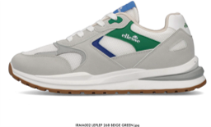 | MEN | IRMA002-SUPMES-268 | IRMA002 | MITCH | SUPMES | PU SUEDE + MESH | 268 | BEIGE GREEN | M12I | IRMA002-SUPMES-268 M12I |  |  |  |  |  |  | 1 | 2 | 3 | 3 | 2 | 1 | 12 | 9 | 69.90 € | 21.90 € | 7,549.20 € | 108
 | MEN | DEFENDER002-LEPLEP-137 | DEFENDER002 | WILMA | LEPLEP | PU LEATHER | 137 | OFF WHITE | M12A | DEFENDER002-LEPLEP-137 M12A |  |  |  |  |  | 1 | 2 | 3 | 3 | 2 | 1 |  | 12 | 13 | 59.90 € | 21.90 € | 9,344.40 € | 156
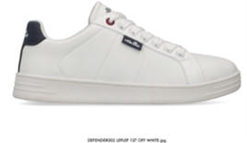 | MEN | DEFENDER002-LEPLEP-137 | DEFENDER002 | WILMA | LEPLEP | PU LEATHER | 137 | OFF WHITE | M12I | DEFENDER002-LEPLEP-137 M12I |  |  |  |  |  |  | 1 | 2 | 3 | 3 | 2 | 1 | 12 | 9 | 59.90 € | 21.90 € | 6,469.20 € | 108
 | MEN | DEFENDER002-LEPLEP-193 | DEFENDER002 | WILMA | LEPLEP | PU LEATHER | 193 | NAVY WHITE | M12A | DEFENDER002-LEPLEP-193 M12A |  |  |  |  |  | 1 | 2 | 3 | 3 | 2 | 1 |  | 12 | 13 | 59.90 € | 21.90 € | 9,344.40 € | 156
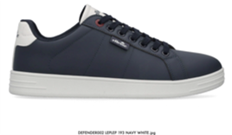 | MEN | DEFENDER002-LEPLEP-193 | DEFENDER002 | WILMA | LEPLEP | PU LEATHER | 193 | NAVY WHITE | M12I | DEFENDER002-LEPLEP-193 M12I |  |  |  |  |  |  | 1 | 2 | 3 | 3 | 2 | 1 | 12 | 9 | 59.90 € | 21.90 € | 6,469.20 € | 108
 | MEN | DEFENDER002-LEPLEP-394 | DEFENDER002 | WILMA | LEPLEP | PU LEATHER | 394 | TOTAL BLACK | M12A | DEFENDER002-LEPLEP-394 M12A |  |  |  |  |  | 1 | 2 | 3 | 3 | 2 | 1 |  | 12 | 13 | 59.90 € | 21.90 € | 9,344.40 € | 156
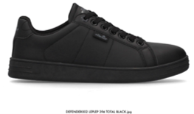 | MEN | DEFENDER002-LEPLEP-394 | DEFENDER002 | WILMA | LEPLEP | PU LEATHER | 394 | TOTAL BLACK | M12I | DEFENDER002-LEPLEP-394 M12I |  |  |  |  |  |  | 1 | 2 | 3 | 3 | 2 | 1 | 12 | 9 | 59.90 € | 21.90 € | 6,469.20 € | 108
 | MEN | MILTON002-LEPLEP-387 | MILTON002 | LABOR | LEPLEP | PU LEATHER | 387 | BEIGE | M12A | MILTON002-LEPLEP-387 M12A |  |  |  |  |  | 1 | 2 | 3 | 3 | 2 | 1 |  | 12 | 15 | 49.90 € | 21.90 € | 8,982.00 € | 180
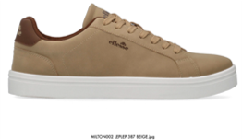 | MEN | MILTON002-LEPLEP-387 | MILTON002 | LABOR | LEPLEP | PU LEATHER | 387 | BEIGE | M12I | MILTON002-LEPLEP-387 M12I |  |  |  |  |  |  | 1 | 2 | 3 | 3 | 2 | 1 | 12 | 10 | 49.90 € | 21.90 € | 5,988.00 € | 120
 | MEN | MILTON002-LEPLEP-500 | MILTON002 | LABOR | LEPLEP | PU LEATHER | 500 | NAVY | M12A | MILTON002-LEPLEP-500 M12A |  |  |  |  |  | 1 | 2 | 3 | 3 | 2 | 1 |  | 12 | 19 | 49.90 € | 21.90 € | 11,377.20 € | 228
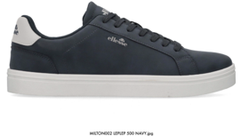 | MEN | MILTON002-LEPLEP-500 | MILTON002 | LABOR | LEPLEP | PU LEATHER | 500 | NAVY | M12I | MILTON002-LEPLEP-500 M12I |  |  |  |  |  |  | 1 | 2 | 3 | 3 | 2 | 1 | 12 | 13 | 49.90 € | 21.90 € | 7,784.40 € | 156
 | MEN | MILTON002-LEPLEP-001 | MILTON002 | LABOR | LEPLEP | PU LEATHER | 001 | BLACK | M12A | MILTON002-LEPLEP-001 M12A |  |  |  |  |  | 1 | 2 | 3 | 3 | 2 | 1 |  | 12 | 19 | 49.90 € | 21.90 € | 11,377.20 € | 228
 | MEN | MILTON002-LEPLEP-001 | MILTON002 | LABOR | LEPLEP | PU LEATHER | 001 | BLACK | M12I | MILTON002-LEPLEP-001 M12I |  |  |  |  |  |  | 1 | 2 | 3 | 3 | 2 | 1 | 12 | 13 | 49.90 € | 21.90 € | 7,784.40 € | 156
 | MEN | MILTON002-LEPLEP-451 | MILTON002 | LABOR | LEPLEP | PU LEATHER | 451 | GREY | M12A | MILTON002-LEPLEP-451 M12A |  |  |  |  |  | 1 | 2 | 3 | 3 | 2 | 1 |  | 12 | 13 | 49.90 € | 21.90 € | 7,784.40 € | 156
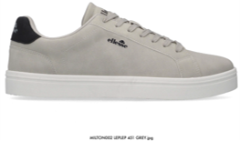 | MEN | MILTON002-LEPLEP-451 | MILTON002 | LABOR | LEPLEP | PU LEATHER | 451 | GREY | M12I | MILTON002-LEPLEP-451 M12I |  |  |  |  |  |  | 1 | 2 | 3 | 3 | 2 | 1 | 12 | 9 | 49.90 € | 21.90 € | 5,389.20 € | 108
 | MEN | MILTON002-LEPLEP-119 | MILTON002 | LABOR | LEPLEP | PU LEATHER | 119 | WHITE | M12A | MILTON002-LEPLEP-119 M12A |  |  |  |  |  | 1 | 2 | 3 | 3 | 2 | 1 |  | 12 | 25 | 49.90 € | 21.90 € | 14,970.00 € | 300
 | MEN | MILTON002-LEPLEP-119 | MILTON002 | LABOR | LEPLEP | PU LEATHER | 119 | WHITE | M12I | MILTON002-LEPLEP-119 M12I |  |  |  |  |  |  | 1 | 2 | 3 | 3 | 2 | 1 | 12 | 17 | 49.90 € | 21.90 € | 10,179.60 € | 204
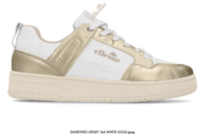 | WOMAN | SANDY003-LEPLEP-164 | SANDY003 | DELTA | LEPLEP | PU LEATHER | 164 | WHITE GOLD | W12A | SANDY003-LEPLEP-164 W12A |  | 1 | 2 | 3 | 3 | 2 | 1 |  |  |  |  |  | 12 | 25 | 69.90 € | 21.90 € | 20,970.00 € | 300
 | WOMAN | SANDY003-LEPLEP-164 | SANDY003 | DELTA | LEPLEP | PU LEATHER | 164 | WHITE GOLD | W12B | SANDY003-LEPLEP-164 W12B | 1 | 2 | 3 | 3 | 2 | 1 |  |  |  |  |  |  | 12 | 17 | 69.90 € | 21.90 € | 14,259.60 € | 204
 | WOMAN | SANDY003-LEPLEP-163 | SANDY003 | DELTA | LEPLEP | PU LEATHER | 163 | WHITE SILVER | W12A | SANDY003-LEPLEP-163 W12A |  | 1 | 2 | 3 | 3 | 2 | 1 |  |  |  |  |  | 12 | 25 | 69.90 € | 21.90 € | 20,970.00 € | 300
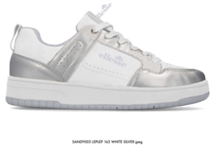 | WOMAN | SANDY003-LEPLEP-163 | SANDY003 | DELTA | LEPLEP | PU LEATHER | 163 | WHITE SILVER | W12B | SANDY003-LEPLEP-163 W12B | 1 | 2 | 3 | 3 | 2 | 1 |  |  |  |  |  |  | 12 | 17 | 69.90 € | 21.90 € | 14,259.60 € | 204
 | WOMAN | SANDY003-LEPLEP-165 | SANDY003 | DELTA | LEPLEP | PU LEATHER | 165 | BLACK WHITE | W12A | SANDY003-LEPLEP-165 W12A |  | 1 | 2 | 3 | 3 | 2 | 1 |  |  |  |  |  | 12 | 15 | 69.90 € | 21.90 € | 12,582.00 € | 180
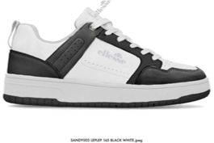 | WOMAN | SANDY003-LEPLEP-165 | SANDY003 | DELTA | LEPLEP | PU LEATHER | 165 | BLACK WHITE | W12B | SANDY003-LEPLEP-165 W12B | 1 | 2 | 3 | 3 | 2 | 1 |  |  |  |  |  |  | 12 | 10 | 69.90 € | 21.90 € | 8,388.00 € | 120
 | WOMAN | IRMA001-SUPMES-219 | IRMA001 | DEBBY | SUPMES | PU SUEDE + MESH | 219 | GREY SILVER | W12A | IRMA001-SUPMES-219 W12A |  | 1 | 2 | 3 | 3 | 2 | 1 |  |  |  |  |  | 12 | 19 | 69.90 € | 21.90 € | 15,937.20 € | 228
 | WOMAN | IRMA001-SUPMES-219 | IRMA001 | DEBBY | SUPMES | PU SUEDE + MESH | 219 | GREY SILVER | W12B | IRMA001-SUPMES-219 W12B | 1 | 2 | 3 | 3 | 2 | 1 |  |  |  |  |  |  | 12 | 13 | 69.90 € | 21.90 € | 10,904.40 € | 156
 | WOMAN | IRMA001-SUPMES-416 | IRMA001 | DEBBY | SUPMES | PU SUEDE + MESH | 416 | PINK | W12A | IRMA001-SUPMES-416 W12A |  | 1 | 2 | 3 | 3 | 2 | 1 |  |  |  |  |  | 12 | 16 | 69.90 € | 21.90 € | 13,420.80 € | 192
 | WOMAN | IRMA001-SUPMES-416 | IRMA001 | DEBBY | SUPMES | PU SUEDE + MESH | 416 | PINK | W12B | IRMA001-SUPMES-416 W12B | 1 | 2 | 3 | 3 | 2 | 1 |  |  |  |  |  |  | 12 | 11 | 69.90 € | 21.90 € | 9,226.80 € | 132
 | WOMAN | IRMA001-SUPMES-178 | IRMA001 | DEBBY | SUPMES | PU SUEDE + MESH | 178 | BLACK GOLD | W12A | IRMA001-SUPMES-178 W12A |  | 1 | 2 | 3 | 3 | 2 | 1 |  |  |  |  |  | 12 | 10 | 69.90 € | 21.90 € | 8,388.00 € | 120
 | WOMAN | IRMA001-SUPMES-178 | IRMA001 | DEBBY | SUPMES | PU SUEDE + MESH | 178 | BLACK GOLD | W12B | IRMA001-SUPMES-178 W12B | 1 | 2 | 3 | 3 | 2 | 1 |  |  |  |  |  |  | 12 | 7 | 69.90 € | 21.90 € | 5,871.60 € | 84
 | WOMAN | IRMA001-LEPMES-163 | IRMA001 | DEBBY | LEPMES | PU LEATHER + MESH | 163 | WHITE SILVER | W12A | IRMA001-LEPMES-163 W12A |  | 1 | 2 | 3 | 3 | 2 | 1 |  |  |  |  |  | 12 | 25 | 69.90 € | 21.90 € | 20,970.00 € | 300
 | WOMAN | IRMA001-LEPMES-163 | IRMA001 | DEBBY | LEPMES | PU LEATHER + MESH | 163 | WHITE SILVER | W12B | IRMA001-LEPMES-163 W12B | 1 | 2 | 3 | 3 | 2 | 1 |  |  |  |  |  |  | 12 | 17 | 69.90 € | 21.90 € | 14,259.60 € | 204
 | WOMAN | IRMA001-LEPMES-099 | IRMA001 | DEBBY | LEPMES | PU LEATHER + MESH | 099 | MINT | W12A | IRMA001-LEPMES-099 W12A |  | 1 | 2 | 3 | 3 | 2 | 1 |  |  |  |  |  | 12 | 5 | 69.90 € | 21.90 € | 4,194.00 € | 60
 | WOMAN | IRMA001-LEPMES-099 | IRMA001 | DEBBY | LEPMES | PU LEATHER + MESH | 099 | MINT | W12B | IRMA001-LEPMES-099 W12B | 1 | 2 | 3 | 3 | 2 | 1 |  |  |  |  |  |  | 12 | 4 | 69.90 € | 21.90 € | 3,355.20 € | 48
 | WOMAN | IRMA001-LEPMES-137 | IRMA001 | DEBBY | LEPMES | PU LEATHER + MESH | 137 | OFF WHITE | W12A | IRMA001-LEPMES-137 W12A |  | 1 | 2 | 3 | 3 | 2 | 1 |  |  |  |  |  | 12 | 15 | 69.90 € | 21.90 € | 12,582.00 € | 180
 | WOMAN | IRMA001-LEPMES-137 | IRMA001 | DEBBY | LEPMES | PU LEATHER + MESH | 137 | OFF WHITE | W12B | IRMA001-LEPMES-137 W12B | 1 | 2 | 3 | 3 | 2 | 1 |  |  |  |  |  |  | 12 | 10 | 69.90 € | 21.90 € | 8,388.00 € | 120
 | WOMAN | MILTON001-LEPLEP-163 | MILTON001 | HELENE | LEPLEP | PU LEATHER | 163 | WHITE SILVER | W12A | MILTON001-LEPLEP-163 W12A |  | 1 | 2 | 3 | 3 | 2 | 1 |  |  |  |  |  | 12 | 13 | 59.90 € | 21.90 € | 9,344.40 € | 156
 | WOMAN | MILTON001-LEPLEP-163 | MILTON001 | HELENE | LEPLEP | PU LEATHER | 163 | WHITE SILVER | W12B | MILTON001-LEPLEP-163 W12B | 1 | 2 | 3 | 3 | 2 | 1 |  |  |  |  |  |  | 12 | 9 | 59.90 € | 21.90 € | 6,469.20 € | 108
 | WOMAN | MILTON001-LEPLEP-160 | MILTON001 | HELENE | LEPLEP | PU LEATHER | 160 | WHITE PINK | W12A | MILTON001-LEPLEP-160 W12A |  | 1 | 2 | 3 | 3 | 2 | 1 |  |  |  |  |  | 12 | 13 | 59.90 € | 21.90 € | 9,344.40 € | 156
 | WOMAN | MILTON001-LEPLEP-160 | MILTON001 | HELENE | LEPLEP | PU LEATHER | 160 | WHITE PINK | W12B | MILTON001-LEPLEP-160 W12B | 1 | 2 | 3 | 3 | 2 | 1 |  |  |  |  |  |  | 12 | 9 | 59.90 € | 21.90 € | 6,469.20 € | 108

